pll
Sample Measurement Record
Mano Engineering LLC |  |  |  |  |  |  |  |  |  |  |  |  | Part No. 10002
No. | A | B | C | D | E | F | G | H | I | J | k | l | m
1 | 4.9165 | 2.516 | 0.13 | 0.178 | 0.171 | 0.406 | 0.7665 | 0.13
2 | 4.9075 | 2.516 | 0.13 | 0.189 | 0.1705 | 0.405 | 0.7725 | 0.13
3 | 0.49105 | 2.5135 | 0.13 | 0.1625 | 0.174 | 0.4105 | 0.7725 | 0.1275
4 | 0.491 | 2.5075 | 0.1305 | 0.1795 | 0.172 | 0.404 | 0.7635 | 0.128
5 | 0.4894 | 2.519 | 0.13 | 0.171 | 0.1725 | 0.41 | 0.765 | 0.131

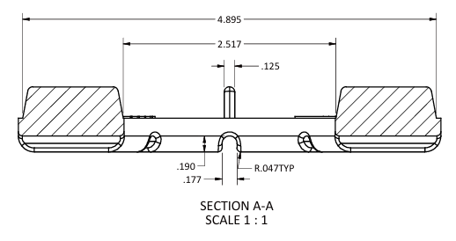
A
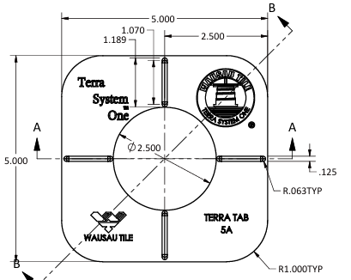
B
I
C

D
E

G
F

H

records
Sample Measurement Record
Mano Engineering LLC |  |  |  |  |  |  |  |  |  |  |  |  |  | Part No. 10002
No. | A | B | C | D | E | F | G | H | I | J | K | L | M | N
1 | 4.9165 | 2.516 | 0.13 | 0.178 | 0.171 | 0.406 | 0.7665 | 0.13 | 70 - 74 | 4.985 | 2.514 | 1.1955 | 2.486 | 0.964
2 | 4.9075 | 2.516 | 0.13 | 0.189 | 0.1705 | 0.405 | 0.7725 | 0.13 | 72 - 74 | 4.978 | 2.51 | 1.1965 | 2.496 | 0.982
3 | 0.49105 | 2.5135 | 0.13 | 0.1625 | 0.174 | 0.4105 | 0.7725 | 0.1275 | 70 - 73 | 4.989 | 2.499 | 1.1905 | 2.493 | 0.963
4 | 0.491 | 2.5075 | 0.1305 | 0.1795 | 0.172 | 0.404 | 0.7635 | 0.128 | 70 - 74 | 4.9885 | 2.506 | 1.188 | 2.492 | 0.984
5 | 0.4894 | 2.519 | 0.13 | 0.171 | 0.1725 | 0.41 | 0.765 | 0.131 | 70 - 75 | 4.991 | 2.496 | 1.1925 | 2.492 | 0.998
J
A
B
L
K
C

M

D

E
N

G
F

Note: "N" is measured roughly
H
I

